1. Title Page
Instacart Grocery Basket Analysis

Project Name: Instacart Grocery Basket Analysis
Date: 25.06.2023
Analyst Name: Ruzanna Sargsyan

Contents:
Population Flow
Consistency checks
Wrangling steps
Column derivations
Visualizations
Recommendations

Citation:

"The Instacart Online Grocery Shopping Dataset 2017", Accessed from http://www.instacart.com/datasets/grocery-shopping-2017 on [10.05.2023].

2. Population Flow
 |  | Title page

Population flow

Exclusion flag
Condition: max_order < 5
Obervations to be removed: 1025482
Final total count of order_products_all: 31379377

Orders_products_combined
Orders_products_merged
Orders_products_all

Total:
Total 32404859:
Total:
 | 32404859
32640698
1.) The grey boxes in the first row of the population flow represent the original data sets as they were when you downloaded them. In the Total fields you need to add the count of the rows when you imported the data set into Jupyter.
2.) The second row of boxes (coloured) represents the data sets after you manipulated them, e.g., removed missing values and duplicates. In the Total fields you need to add the count of the rows after conducting these operations. This offers a visual oveview of how the data flows throughout the data consistency checks.
3.) The third row, where also the arrows are coloured, represents the merges you performed between the datasets. In the Total fields you need to add the count of the rows in the merged datasets, so that you end up with the final dataset (in the red box). Keep in mind the final dataset should be without exclusions (based on the exclusion flag).

3. Consistency checks
 |  |  |  | Title page
Consistency checks

Dataset | Missing values | Missing values treatment | Duplicates
orders | 206209 missing values in 'days_since_prior_order' | No treatment done | No duplicates found
products | 16 missing values found in 'product_name' column | Created subset and removed the row with missing values | 5 duplicates are found and removed
orders_products_prior | No missing values found |  | No duplicates found
customers | No missing values |  | No duplicates found

4. Wrangling steps
 |  |  |  | Title page
Wrangling steps

Columns dropped | Columns renamed | Columns' type changed | Comment/Reason
eval_set |  |  | Unnecessary
 | order_dow |  | renamed to orders_day_of_week
first name |  |  | to maintain PII
last name |  |  | to maintain PII
 | First Name |  | renamed to first_name
 | Surname |  | renamed to last_name
 | State |  | renamed to state
 | Age |  | renamed to age
 | n_dependants |  | renamed number_of_dependants
 | fam_status |  | renamed family_status
 |  | order_id | changed from integer to string as it is descriptive variable not quantitative
 |  | user_id | changed from integer to string as it is descriptive variable not quantitative

5. Column derivations
 |  |  |  | Title page

Column derivations and aggregations

In this tab you should add tables below that the frequences of flags/label variables that you produced after deriving them. NB: don't do this for continuous variables, only for flags.
Dataset | New column | Column/s it was derived from | Conditions
ords_prods_merge | "price_range_loc" | "prices" | prices <= 5: "Low-range product"
 |  |  | 5 < prices <= 15: "Mid-range product"
 |  |  | prices > 15: "High-range product"

ords_prods_merge | average_prices" | "prices" | display average prices of items purchased by each user

ords_prods_merge | Spending_Flag | average prices' | average_prices > =10: "High spender"
 |  |  | average_prices < 10: "Low spender"

ords_prods_merge | median_order | days_since_prior_order' | display the median of 'days_since_prior_order'

ords_prods_merge | 'Frequency_flag | median_order | median_order >20, 'Non-frequent customer'
 |  |  | 10 < median_order <20, 'Regular customer'
 |  |  | median_order <10, 'Frequent customer'

ords_prods_merge | "max_order" | "order_number" | display maximum number of orders each users made

ords_prods_merge | "loyalty_flag" | "max_order" | max_order > 40: "Loyal customer"
 |  |  | 10 < max_order <= 40: "Regular customer"
 |  |  | max_order <= 10: "New customer"

ords_prods_merge | region' | state' | filtered based on the four geographic regions:'south', 'west', 'midwest, 'northeast'

ords_prods_merge | exclusive_flag' | max_order' | max_order < 5: 'Low-activity customer'
 |  |  | max_order >= 5: 'Normal-activity customer'

ords_prods_merge | age_flag' | "age" | age <= 35: "young"
 |  |  | 35 < age < 65: "middle-aged"
 |  |  | age >= 65: "senior"

ords_prods_merge | "income_flag" | "income" | income < 30000: "low-income"
 |  |  | 30000 <= income < 70000: "lower-middle"
 |  |  | 70000 <= income < 180000: "upper-middle"
 |  |  | income > 180000: "high-income"

ords_prods_merge | "family_dependents_flag" | "family_status" & "number_of_dependants" | If non-married &no dependents: "single_no_dependents"
 |  |  | If married & live with parents& no dependents: "non_single_no_dependents"
 |  |  | If married & live with parents& 1_ dependents: "non_single_1_dependents"
 |  |  | If married & live with parents& 2_ dependents: "non_single_2_dependents"
 |  |  | If married & live with parents& 3_ dependents: "non_single_3_dependents"

ords_prods_merge | parents_flag' | family_dependents_flag' & "age_flag" | if married& with dependents & young: 'young_parents'
 |  |  | if married& with dependents & middle_aged or senior: 'non_young_parents'
 |  |  | if single & no dependents: 'single'

ords_prods_merge | organic_product' | product_name' | display those prducts that contain 'organic' name in the product name

ords_prods_merge | organic_counts' | organic_product' | display the sum of 'organic_product' ordered by each user

ords_prods_merge | life_style' | organic_counts' | organic_counts> 10: "organic"
 |  |  | organic_counts<10: "non-organic"

6. Visualizations
 |  |  |  |  |  |  | Title page

Visualisations

In this tab you should include all the visualtions from Exercises 4.9 and 4.10, alongside the questions from the project brief that they answer. Include any commentary on the relationship between different variables.

Question No 1:
The sales team needs to know what the busiest days of the week and hours of the day are (i.e., the days and times with the most orders) in order to schedule ads at times when there are fewer orders.

 |  |  |  |  |  | Comments

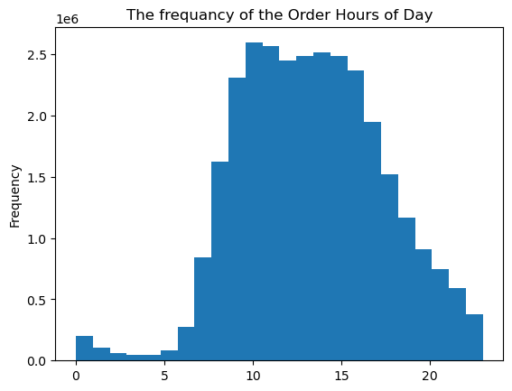

 |  |  | The histogram illustrates the frequency of the number of orders of Instacart received during the day, for different hours.
 |  |  | The top five busiest hours are the following: 10,11,14,15,13.

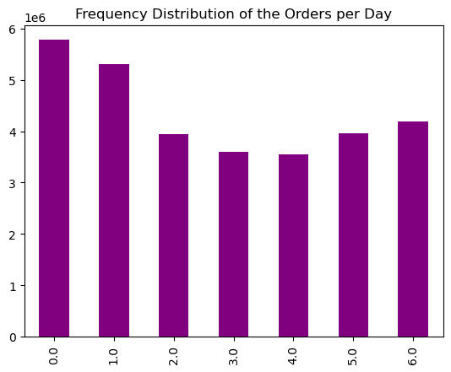

 |  |  |  | Bar Chart illustrates the frequency of orders during the week.
 |  |  |  | Sunday and Monday are the busiest days.

 | Question No 2
 | Instacart team wants to know whether there are particular times of the day when people spend the most money, as this might inform the type of products they advertise at these times.

 |  | The line Chart of Prices and Order Hours of Day.

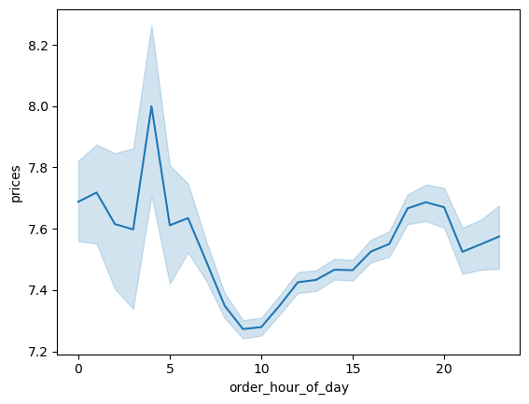

 |  |  |  | The interesting fact that during the most active hours (from 10 am to 3pm) people tends to buy
 |  |  |  | less expensive items, as prices are at the lowest level during that period.

 | Question No 3
 | Instacart has a lot of products with different price tags. Marketing and sales want to use simpler price range groupings to help direct their efforts.

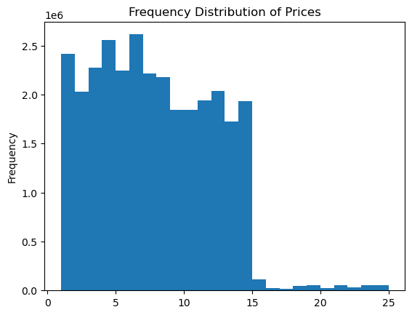

 |  |  |  | The majority of prices range between $ 1 and $ 15.

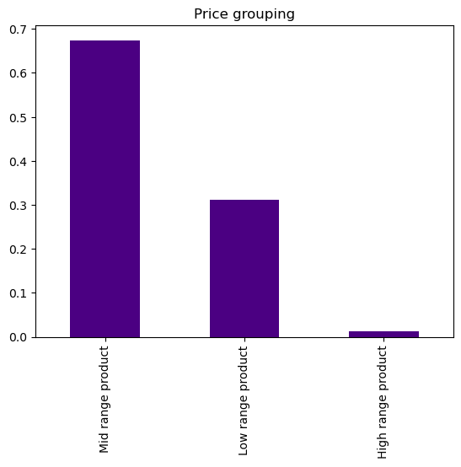

 |  |  |  | We have grouped product into three categories: low range product -less than $5,
 |  |  |  | Mid range products that range between 5 to 15,
 |  |  |  | High range product- products above $15
 |  |  |  | Mid range products represent the majority -67.4%
 |  |  |  | Low range products - 31.2 %. -
 |  |  |  | High range products- 1.3 %.

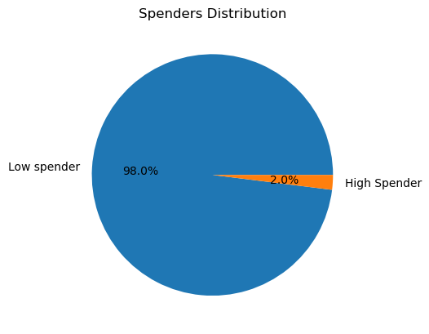

 |  |  |  |  | High Spenders are those who spend on average no less than $10 and more.
 |  |  |  |  | It represents only 2 %.

 | Question No 4
 | Are there certain types of products that are more popular than others? The marketing and sales teams want to know which departments have the highest frequency of product orders.
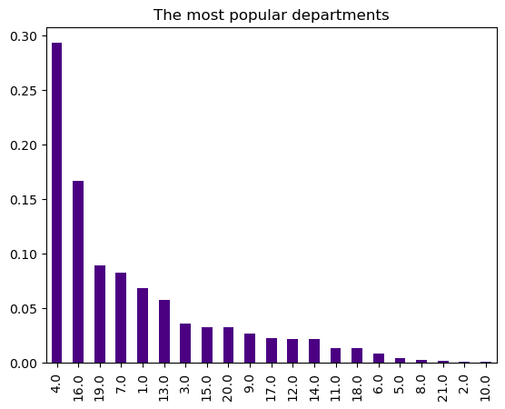

 |  |  |  | The most popular departments are: No 4-produce, No 16-dairy eggs, No 9-snacks

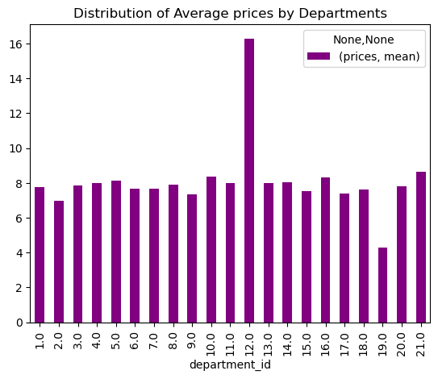

 |  |  |  |  | The top five departments by distribution of average prices are the following:
 |  |  |  |  | No 12-Meat/Seafood, No 21- Unknown, No 10- Bulk, No 16- Dairy/Eggs and
 |  |  |  |  | No 5-Alcohol.

 | Question No 5
 | The marketing and sales teams are particularly interested in the different types of customers in their system and how their ordering behaviors differ.

 | Q 5 What’s the distribution among users in regards to their brand loyalty (i.e., how often do they return to Instacart.?

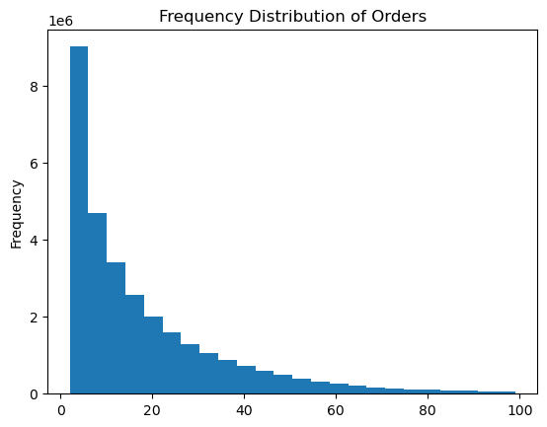

 |  |  |  |  | This is how the frequency of orders distributed.

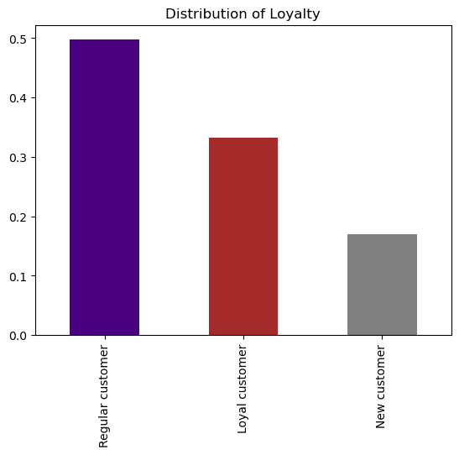

 |  |  |  |  | Distribution among users:
 |  |  |  |  | The loyal customers (who order more than 40 orders ) represents
 |  |  |  |  | a litte bit more than 30 % of Instacart customer base.

 | Q.6 Are there differences in ordering habits based on a customer’s loyalty status?

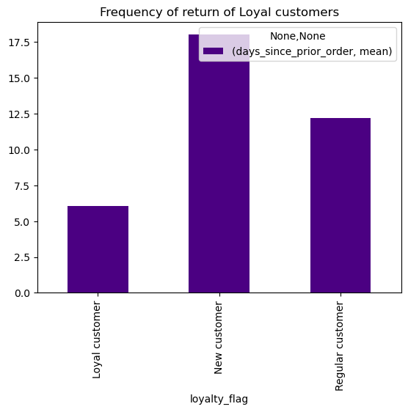

 |  |  |  | There are differencies in ordering habits based on loyalty status.
 |  |  |  | On average loyal customers return frequently: in every 6 days,
 |  |  |  | new customers in 17 days and regular customers in every 12 days.

Days

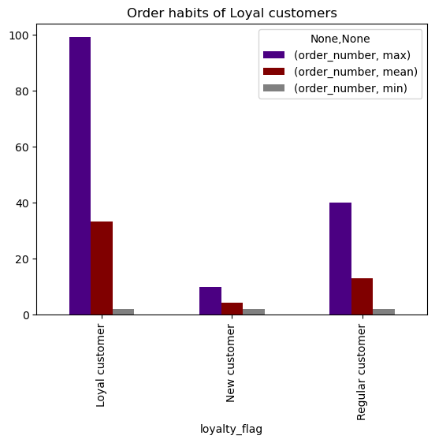

 |  |  |  | Loyal customers order more than regular customers or new customers.

 | Q.7. Are there differences in ordering habits based on a customer’s region?

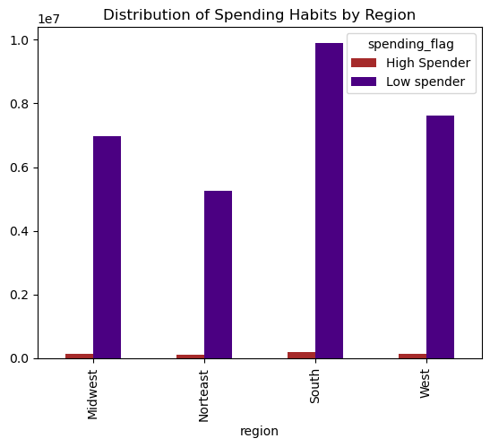

 |  |  |  | In terms of spending, the largest region is South, it follows by West, Midwest and Northeast.

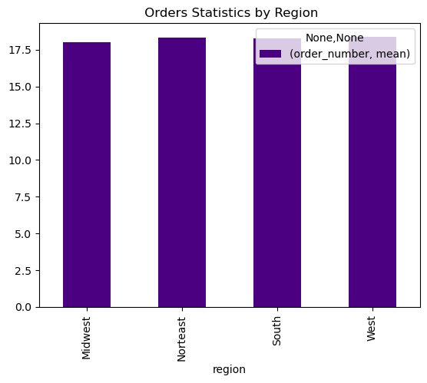

 |  |  |  | Here we compared the average order number. There is slightly difference between the region:
 |  |  |  | the highest is in West which follows by Northeast, South and Midwest.

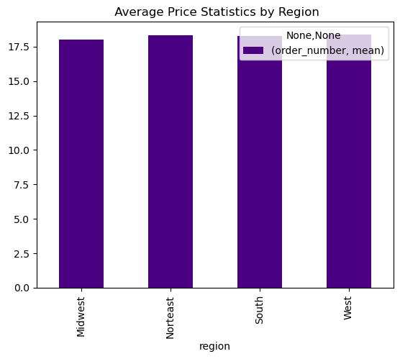

 |  |  |  | South is the largest region for Instcart . It can explain a litle bit higher prices than in other regions.

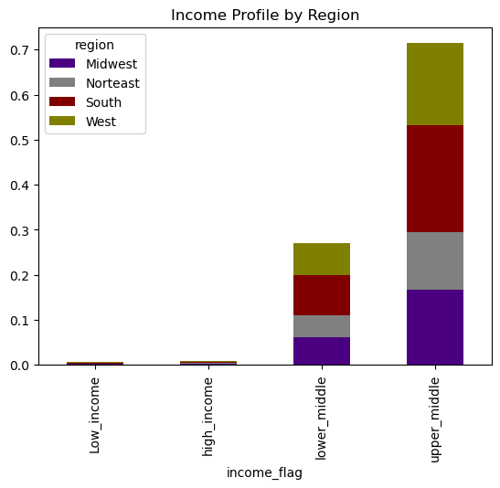

 |  |  |  |  | South has the largest share of income-23 % of upper-middle income.
 |  |  |  |  | It follows by West, Midwest and Northeast regions.

 | Q.8 Is there a connection between age and family status in terms of ordering habits?

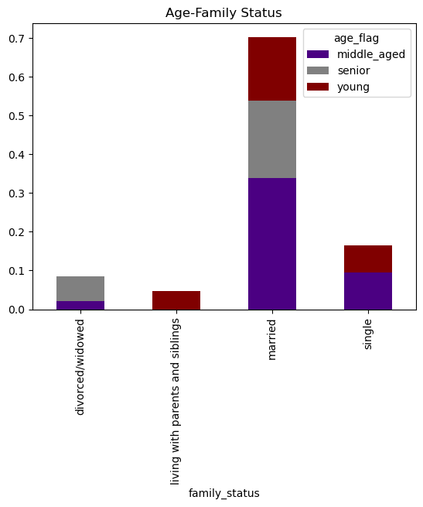

 |  |  |  | The majority of customers are married, and the majority of them are middle aged and senior.
 |  |  |  | The second largest group is single, where the majority is still middle aged a (bove 35 years old).

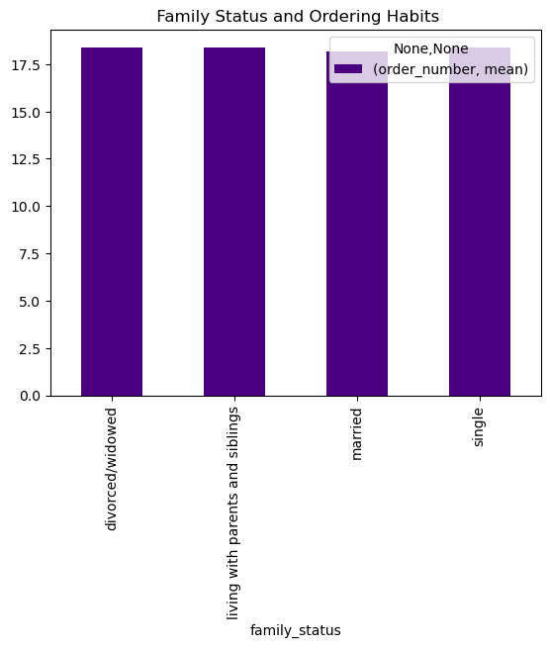

 |  |  | Based on the family status, the differences in terms of ordering habits varies slightly among group members.
 |  |  | "Living with parents and siblings" order more than the other group members. Married people tend
 |  |  | to order less.

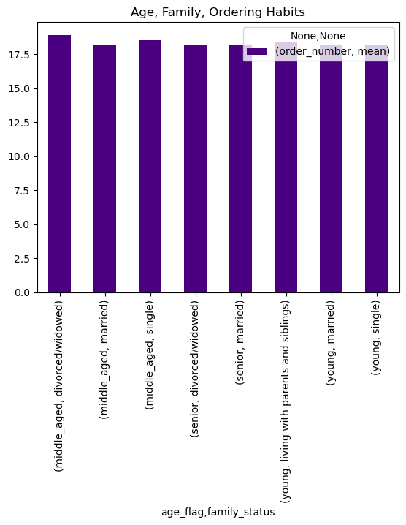

 |  |  | In general, middle-aged and single or divorced/widowed people tend to order more than married people. Among middle-aged group
 |  |  | the highest number of orders comes to the " Divorced/widowed" category.
 |  |  | Young people tends to order less, whereas the young single group on average has the lowest number of order.

 |  | Question 9 What different classifications does the demographic information suggest? Age? Income? Certain types of goods? Family status? | The analyse of the information suggests that customers can be classified by age, by income, by family status and by preferences.
 |  | Age? Income? Certain types of goods? Family status?

 |  | Age profile:
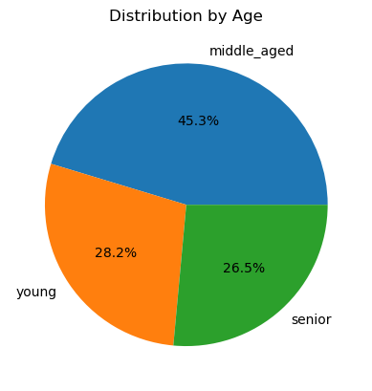

 |  |  | The majority or 45.3 % of Instacart customers represent middle_aged people (in this group, by definition age ranges from 35 to 65 years old)
 |  |  | Middle aged follows by young people- 28.2 % (up to the age of 35) and it ends by senior aged people (above 65) 26.5%.

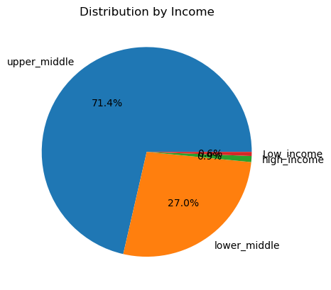
 |  | Income profile:
 |  |  |  | Upper_middle class (where income ranges from 70k to 180k) is the majority of customers with 72.4 %.
 |  |  |  | It follows by lower_middle class (income ranges from 30k to 70k), then high inome class (above 180k)
 |  |  |  | The lowest group is low income category (less than 30k per year). This group represets only 0.6 %

 | Family status and dependants profile:

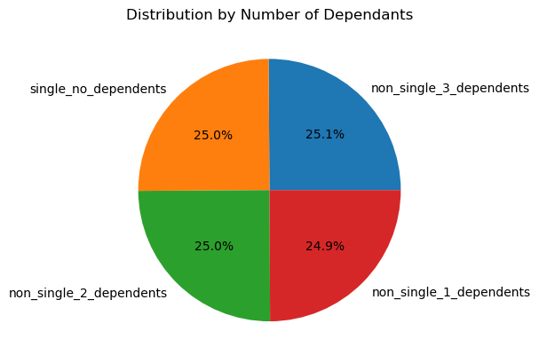

 |  |  |  |  | By number of dependants we identified 4 different groups, you can see it in the pie chart.
 |  |  |  |  | You have to notice that in this group all four elements are equally distributed.

 | young parents profile:
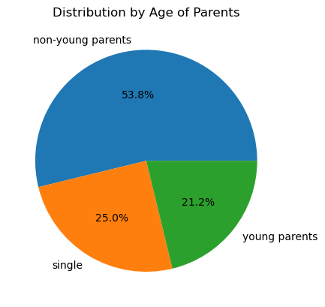

 |  |  |  |  | By definition young parents are those who below 30 years old and has at least one dependant.
 |  |  |  |  | In our case the young parents represent the smallest group -21.2 %,
 |  |  |  |  | 53.8 % of customers represent non_young parents, which follows by group of singals.

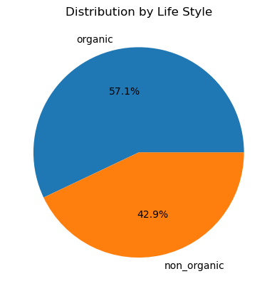

 |  |  | In this analytics customers are devided between two groups:
 |  |  | 42.9% represents those custmers who are not inclined to buy organic foods,
 |  |  | Tthe majority- almost 57.1 % usually buy more than 10 organic products.

 | 10 What differences can you find in ordering habits of different customer profiles?
 | Consider the price of orders, the frequency of orders, the products customers are ordering, and anything else you can think of.

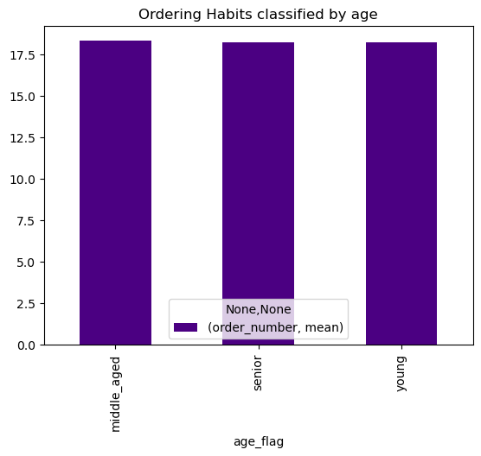
 | Age profile:

 |  |  | There is slightly difference between age group members: on average middle-aged people tend to order a little bit more.

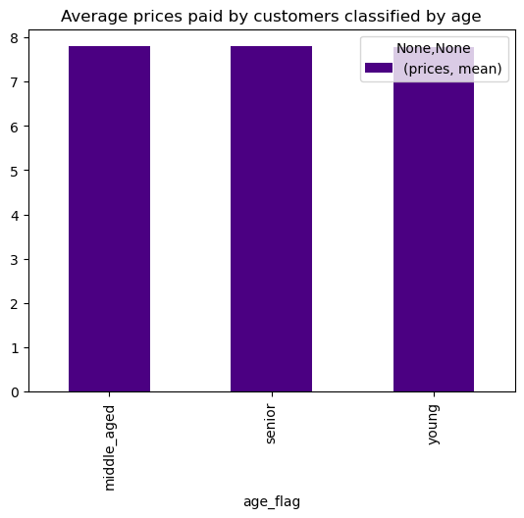

 |  |  |  | Differences are slightly , but young people tends to pay less.

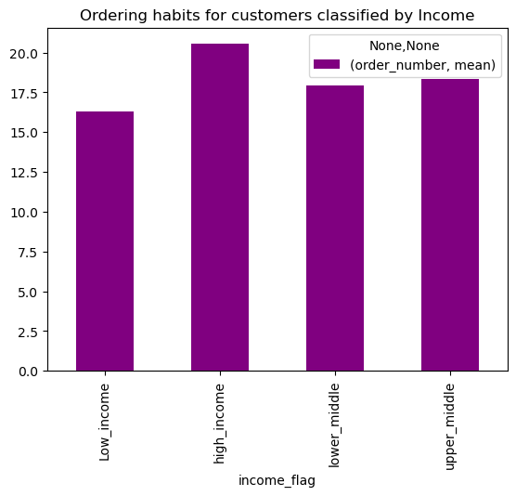

 |  |  |  |  | It must be obvious that high income customers tend to order more than low income customers.
 |  |  |  |  | High-income customer follows by upper middle and lower middle customers.

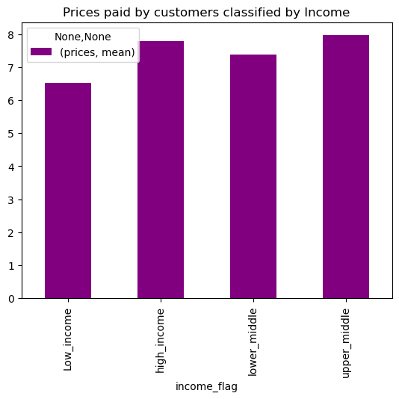

 |  |  |  | It is rather strange, but In case of prices paid, the upper_middle group tends to pay more than high_income group
 |  |  |  | The lowest prices paid by low income customers.

 | By family Status
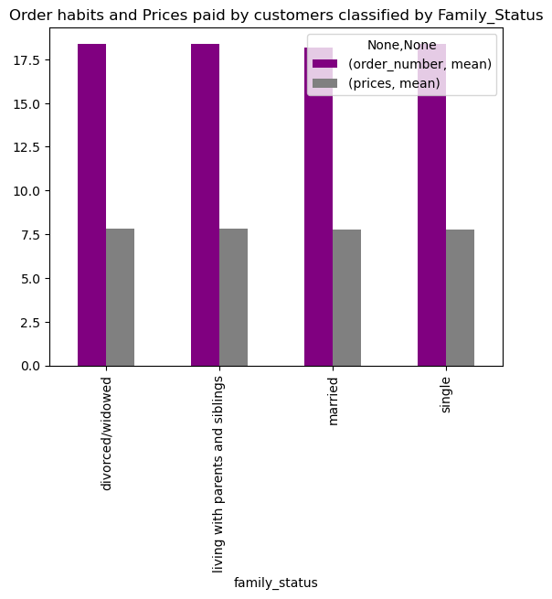

 |  |  |  | The differences are slightly:on average in terms of ordering habits 'living with parents and siblings'
 |  |  |  | and 'divorced/widowed' groups ends to order more and pay more than 'married' people and 'singals'.
 |  |  |  | The lowest prices pay 'singles'.

 | Life Style profile

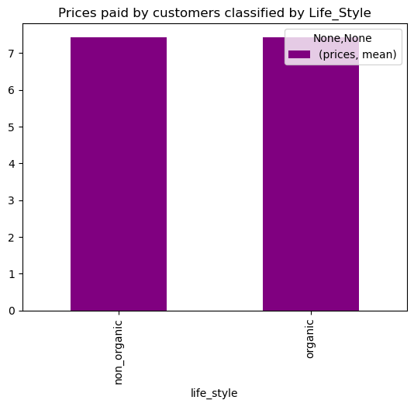

 |  |  |  | The same is here: we have slightly differences, but customers who usually buy organic foods tends to spend more.

7. Recommendations
 |  |  |  |  |  |  |  |  | Title page

Recommendations

In this tab you should include any recommendations you would made to Instcart in terms of their marketing strategy based on the questions posed in the brief. Every key question has been covered in the Tasks of the Exercises - here you need to add an item - a visualisation or table/crosstable that is showing the answer in the data, acompanied by a comment from you. Please, list the questions below and add the answer underneath.

 | Question |  | Answer

Question No 1:
The sales team needs to know what the busiest days of the week and hours of the day are (i.e., the days and times with the most orders) in order to schedule ads at times when there are fewer orders.



 | Bar Chart illustrates the frequency of orders during the week. |  |  |  |  | The histogram illustrates the frequency of the number of orders received during the day.
 | Sunday and Monday are the busiest days. |  |  |  |  | The top five busiest hours are the following: 10,11,14,15,13.

 | Recommendations: The less active days are from Tuesday to Friday, so we would recommend to concentrate on those days, regarding the hours, the active hours are starting from 10 am up to 4 pm.
 |  |  | So there is no need to scedue ads for that intervals. But the next active hours start from 8am up to 10 am and from 4pm up to 20pm. We believe that during that intervals it makes sense
 |  |  | to schedule adverts, there are still a lot of orders and active customers and additional incentives can boost the sales. There is no need to schedule advert during the night time and early in the morning
 |  |  | like from 12 pm to 7 am, as it will not get much results.

Question No 2
Instacart team wants to know whether there are particular times of the day when people spend the most money, as this might inform the type of products they advertise at these times.

 |  |  | The line Chart of Prices and Order Hours of Day.

 | (The above line is sampling, that's why it doesn't illustrate the appropriate range of prices).
 | The interesting fact that during the most active hours (from 10 am to 3pm) people tends to buy |  |  |  |  |  | The majority of prices ranges between $ 1 to $ 15, and there are a few items that costs as expensive as $25.
 | less expensive items, as prices are at the lowest level during that time (less than $ 8).

 | Recommendations:
 | Customers tend to buy most expensive items during the night time and from 3pm to 8 pm, these time intervals are the most appropriate for advertising. But the problem is that during that time customers (or users ) are not so active.
 | Another option can be to design promotion campaign for items that costs from $8 to $15 during the most active hours.

 | Question No 3
 | Instacart has a lot of products with different price tags. Marketing and sales want to use simpler price range groupings to help direct their efforts.

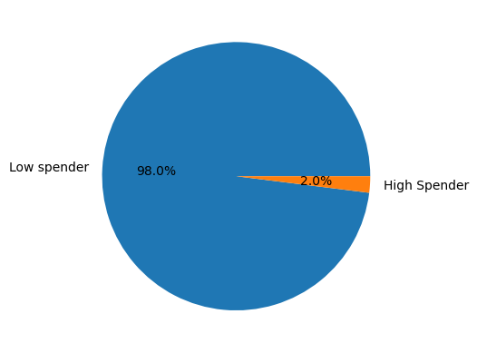

 |  | Recommendation: Based on the prices histogram (illustrated in Q2), it makes sense to recommend to group prices into 3 major groups: 'Low Range' products- that costs up to $5, 'Mid Range' products that range between
 |  | $5 to $15, and 'High Range' products - more than $15. In the above bar chart you can see how products are distributed based on prices. The majority of products (67 %) represents 'Mid Range ' products. This is like another
 |  | argument that supports the above recommendation to promote 'Mid Range' products during the most active hours. Regarding the prices we also recommend to divide users between two groups - Low spender, who spends
 |  | less than $ 10 and lower, and High Spenders who spend $ 10 and more. From pie chart you can see that only 2 % can be considered as high spenders. We have analyzed this issue below in the text.

 |  | Question No 4
 |  | Are there certain types of products that are more popular than others? The marketing and sales teams want to know which departments have the highest frequency of product orders.

 |  |  |  |  |  |  |  | The top five departments by distribution of average prices are the following:
 |  | The most popular departments are: No 4-produce, No 16-dairy eggs, No 9-snacks |  |  |  |  |  | No 12-Meat/Seafood, No 21- Unknown, No 10- Bulk, No 16- Dairy/Eggs and
 |  |  |  |  |  |  |  | No 5-Alcohol.

 |  | Recommendations: The most popular department is "Produce" department , where almost 30% of orders go to this department. You can see in the bar chart ( 'Distribution of Average Prices by Departments) that the average price in this department
 |  | is almost $ 8. The highest average price has the department No 12- Meat/Seafood - it is almost $16, the lowest price has department N19-Snack - $4.
 |  | Snack department is among top three popular departments : it makes 10% of total orders, whereas Meat/Seafood department has less than 5 % total orders.
 |  | You can see that in above bar chart ("Distribution of Average Prices by Departments") average prices are no more than $8, this explains why only 2 % of users represent High Spenders, ( who buy items that cost $10 or more)
 |  | Althouth the histogram of 'Frequency Distribution of Prices' (look at the Q. N2) demonstrate that there are significant number of products that ranges from $10 to $15, average prices are below $8, which means that the prevailing number of items
 |  | costs less than $8. Based on above we would recommend two approch for Instacart: 1. Expand the range of the products in the popular departments that costs $8 or less.
 |  | 2. You will see in our further analysis that the majority of Instacart customers represent the upper - middle class. It would make sense to recommend to expand the Instacart product portfolio: to include more products that costing $ 10 and more.

 |  | Question No 5
 |  | What’s the distribution among users in regards to their brand loyalty (i.e., how often do they return to Instacart.?)

 |  | The loyal customers (who order more than 40 orders ) represents |  |  |  |  |  | To identify loyal users, we divided the users between three categories.The majority of orders range
 |  | a litte bit more than 30 % of Instacart customer base. |  |  |  |  |  | between 1 to 40 orders, those who ordered more than 40 items we called them Loyal, Regular customers
 |  |  |  |  |  |  |  | are those who ordered from 10 to 40 items, and New customers are tose who ordered less than 10 items.

 |  | Recommendations: Only 30% of customers represent the loyal customers. We would recommend to create incentive schemes and other promoting mechanisms to convert Regular customers (who represents 50 %)
 |  | into Loyal customers. And for Loyal customers- develop retaining incentives to maintain their royalty. For new customers we would recommend to develop global marketing campaign to attract new customers.

 |  | Question No 6
 |  | Are there differences in ordering habits based on a customer’s loyalty status?

 |  |  | On average loyal customers return frequently: in every 6 days,
 |  |  | new customers in 17 days and regular customers in every 12 days. |  |  |  | Loyal customers order more than Regular customers or New customers.

 |  | Recommendations: The ordering habits of Loyal customers demonstrate, how it is important to maintain Loyal customers and convert Regular customers into Loyal group. Loyal customers return
 |  | twice frequently than regular customers and order almost 2.5 times more than regular customers. It makes extremaly important to develop marketing campaign in order to convert regular
 |  | customers into loyal.

 |  | Question No 7
 |  | Are there differences in ordering habits based on a customer’s region?

 | There is slightly difference between the region: the highest orders |  |  | In case of prices - the differences are also slightly, but the higher prices are recorded in |  |  |  |  |  | Based on spending habits (high spenders and low spenders, look at Question No.4)
 | number recorded in West which follows by Northeast, South and Midwest. |  |  | South which follows by West, Midwest and Northeast . |  |  |  |  |  | the South has the highest portion of spenders, it follows by West, Midwest and Northeast

 |  |  |  |  | South has the largest share of income-23 % of upper-middle income.
 |  |  |  |  | It follows by West, Midwest and Northeast regions.

 | Recommendation: The above analysis demonstrates that there are slightly differencies in ordering habits and preferencies of products in terms of prices. In case of spending habits and income distribution South represents the highest market for Instacart.
 | We can mention that in terms of orders the leader is the West, in terms of prices the South is the leader.We would recommend to focus on those two region: expand market further in South and in West regions. It means to differentiate product portfolio,
 | offering new ranges of product. In South region Instacart can promote th sales of items that are above $10, as this region has the highest number of spenders (high and low.)It also means to develop promoting campaign in those region.
 | It would be beneficial to develop loyalty shemes for customers from those regions to convert them from regular to loyal customers.

 | Question No. 8 Is there a connection between age and family status in terms of ordering habits?

 | Based on the above charts we can make the following conclusions : the majority of Instacart customers (70 %) are married people , and the majority of married people are in their middle age or above. The second largest group is singles (a little less than 20%).
 | In terms of ordering habbits we have slightly differences: in general middle age people tends to order more than seniors or youngers. Based on family status singles tend to order more than married (except young singles). It should't be surprised as married
 | people have many commitments and they have to care about their dependents. If you look at the above pie chart of the destribution of number of dependents, you have to notice that only 25 % of Instacart customers have no dependants.
 | By number of orders, the leader is divorced/widowed singles, who are in their middle ages. However this group represents less than 10% of the total customers.

 | Recommendations: Although middle aged singles tend to order more , we would recommend to focus on married group of people and there are a few reasons for that: they are the majority, they represent the potential future customers (their children)
 | and their needs are differentiated. In Instacart the percentage of loyal customers is only 30%, we think it would be good idea to develop some discounts shems for married people with dependents to convert them from regular customers into loyal.

 | Question No 9 What different classification does the demographic information suggest ?
 | Age? Income? Certain types of goods? Family status?

 | For analysing purposes we made number of classification by age , income, family status, number of dependents and by life style. Below you can see the graphical illustrations of our classifications.

 |  | Recommendations: We made the above classification based on the distribution of data we have. Classification and segmentation of markets helps to make informed decisions. To make decision in the future we would recommend
 |  | classifing data based on various criteria such as genders, cultural differences, health conditions (disabled persons, allergics), life style (vegan) that will definitly enrich future analysis and will help to expand markets and provide
 |  | better service and diversified choice for your customers. This will help to develop customised incentive schemes, loyal shemes and discounts mechanism to expand the customer base.

 |  | Question No10
 |  | What differences can you find in ordering habits of different customer profiles?

 |  | In the questions from 1 to 8 we have already addressed the ordering habits or prices paid by different customer profiles. Just for conclusion we can mention the following:
 |  | 1. Middle-aged people tend to order a little bit more. Married people tend to order less.
 |  | 2. It must be obvious that high income customers tend to order more than low income customers, it follows by upper middle income group.
 |  | 3. It is rather strange, but In case of prices paid, the upper_middle group tends to pay more than high_income group. This required further analysis to understand the differences of preferences.
 |  | 4. We also made some analysis regarding the life style. We defferentiated between organic and non organic preferences of customers (those who ordered more than 10organic items).
 |  | we have slightly differences, but customers who usually buy organic foods tends to spend more.

 |  | Recommendations: in general, most of the differences found are insignificant, even graphically it is sometimes difficult to notice any differences. But we are talking about more than 30 million orders.
 |  | Even minor differences can bring tangible results if properly addressed. We will repeat the same thing we mentioned above, classification is mportant, finding even minor differences is important as it will have an
 |  | immediate effect on the Instacart business. Instacart's customer base can be classified according to different criteria. Instacart's success will depend on how well it can differentiate its customers and how well it
 |  | can meet their needs.

